Table 3
MATERIALS AND METHODS Here we use the isotropic fractionator (Herculano-Houzel and Lent, 2005; Herculano-Houzel, 2012) to determine the numbers of neuronal and non-neuronal cells that compose the main structures (olfactory bulb, hippocampus, cerebral cortex, cerebellum and rest of brain) of eight carnivoran species. The isotropic fractionator consists of dissolving brain tissue in a detergent solution to collect all cell nuclei in a suspension that can be made isotropic by agitation. Numbers of nuclei are determined by counting DAPI-stained samples under a fluorescent microscope; numbers of neurons are then calculated after determining the fraction of cell nuclei that express NeuN, a universal neuronal nuclear marker (Mullen et al., 1992). While some specific neuronal populations fail to express NeuN, such as mitral cells in the olfactory bulb and Purkinje cells in the hippocampus, those populations are negligible for the purpose of determining total numbers of neurons in the major brain structures and comparing them across species. Importantly, the isotropic fractionator has been shown to yield results that are comparable to those obtained with well-employed stereological techniques, and in less time (Herculano-Houzel et al., 2015b), which is fundamental for the analysis of large brains. Animals We analyzed one brain hemisphere of one or two individuals of the following eight species: domestic ferret (Mustela putorius furo, n = 2), banded mongoose (Mungos mungo, n = 1), raccoon (Procyon lotor, n = 2), cat (Felis catus, n = 1), dog (Canis familiaris, n = 2), striped hyena (Hyaena hyaena, n = 1), African lion (Panthera leo, n = 1) and brown bear (Ursus arctos, n = 1). These species are divided into the suborders Caniformia (ferret, raccoon, dog, brown bear) and Feliformia (cat, banded mongoose, striped hyena, lion; Figure 1). Fe | species were removed from the body and were perfused through the carotid arteries with a rinse of 0.9% saline (0.5 l/kg mass), followed by fixation with of 4% paraformaldehyde in 0.1 M phosphate buffer (PB) (1 l /kg mass) (Manger et al., 2009). Ferrets, mongoose and raccoons were perfusion fixed through the heart; striped hyena, cat and dog brains were only immersion-fixed once removed from the skull. All other brains were removed from the skull after perfusion and post-fixed (in 4% paraformaldehyde in 0.1 M PB) for 24–72 h at 4◦C. The brains were then transferred to a solution of 30% sucrose in 0.1 M PB at 4◦C until they had equilibrated and were then transferred to an antifreeze solution containing 30% glycerol, 30% ethylene glycol, 30% distilled water and 10% 0.244 M PB. Once again the brains were allowed to equilibrate in the solution at 4◦C and were then moved to a −20◦C freezer for storage prior to use in the current experiments. Cat and dog brains were fixed by immersion in 4% paraformaldehyde in 0.1M phosphate buffer for a total of approximately 2 weeks. Brains were removed, cut into left and right halves, one of which was preserved for later histological studies, and the other used for quantification with the isotropic fractionator. When available (only for one raccoon and two ferrets), the olfactory bulb (OB) was first separated from the brain by transection immediately proximal to the main bulb. The cerebellum (CB) was dissected by cutting the peduncles at the surface of the brainstem. The brainstem was separated from the cerebrum by cutting along a plane anterior to the colliculi and posterior to the hypothalamus. The cerebrum was then cut into a series of 2 mm coronal sections, which were imaged on a flatbed scanner for subsequent morphometric analysis. From these sections, the hippocampus (HP) and the ensemble of diencephalon + stria

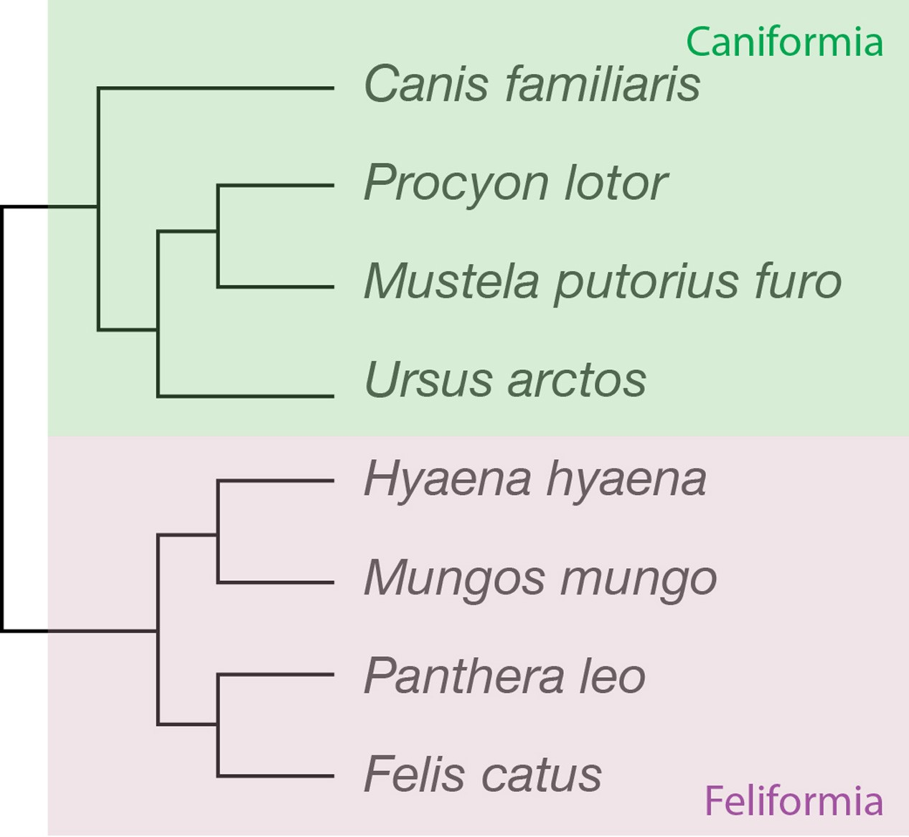 FIGURE 1 | Phylogenetic relationships across the carnivoran species studied. Four of the species belong to the suborder Caniformia (dog, raccoon, ferret and brown bear), and four to the family Feliformia (striped hyena, banded mongoose, lion and cat).

Table 5
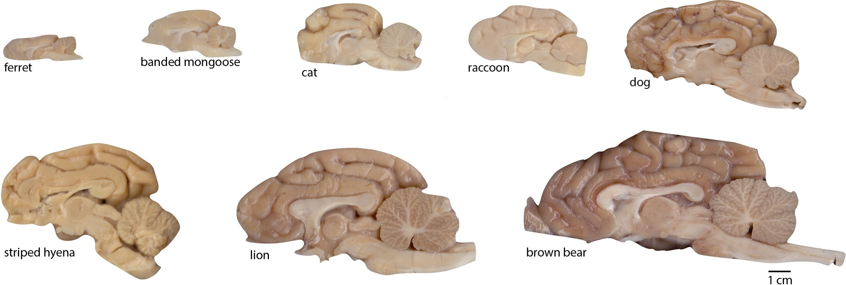 FIGURE 2 | Examples of brain hemispheres of the carnivoran species studied. Images show the medial aspect of one half-brain (not necessarily the right half as the images suggest; some are mirror-images for conformity). All images are shown to the same scale (scale bar, 1 cm).
total number of neurons in the brain only 23.7-fold, between the same two species (Figure 2 and Table 1). The discrepancy between the large variation in body mass and number of brain neurons is consistent with the trend that we have revealed of much faster increases in body mass than in numbers of brain neurons (Herculano-Houzel, 2017). Moreover, the larger increase in brain mass than in number of neurons across species is a first indication that larger brains have more but also bigger neurons, as found in non-primate species (Herculano-Houzel et al., 2014b). Data are summarized in Table 1. Carnivorans have brain masses in the same range as other non-primate mammals of similar body mass, including artiodactyls, although the power function that relates brain mass to body mass has a smaller exponent of 0.608 ± 0.051 in carnivorans (Figure 3A) compared to 0.712 ± 0.071 in glires, 0.742 ± 0.061 in marsupials, 0.903 ± 0.082 in primates (all exponents have p-values < 0.0001), but is not significantly different from the exponent of 0.548 ± 0.038 (p = 0.0048) in artiodactyls (unfilled symbols in Figure 3A). Notice that although the exponent that relates brain mass to body mass across carnivoran species is not significantly different from the exponent that applies to artiodactyls, carnivorans, lion and hyena in particular, have slightly smaller brains than artiodactyl species of similar body mass (Figure 3A; the outlier artiodactyl in the figure is the domesticated pig, which has a very large body mass for its brain mass). Still, carnivoran brains have numbers of neurons comparable to those found in non-primate mammals of similar body mass, in particular artiodactyls, although clade- specific exponents are again observed (Figure 3B). For instance, the lion and hyena, at a total 3.9–4.7 billion neurons, have the same range of brain neurons as the | (Figure 3H). The raccoon, however, appears to have more neurons in the rest of brain than predicted for its body mass; indeed, removing the raccoon from the analysis improves the fit of the function that describes how the number of neurons in the RoB scales with body mass across carnivoran species (Figure 3H). As found in other mammalian clades, larger carnivoran species have larger cerebral cortices, whose mass is comparable to that of artiodactyls and several other non-primate mammalian species of similar body mass (Figure 3C). Strikingly, however, larger carnivorans do not have increasingly more neurons in the cerebral cortex. While ferret, mongoose and cat have increasingly larger cortices (3.1 g, 9.3 g, and 24.2 g) with increasingly more neurons (39 million, 116 million, and 250 million neurons, respectively), we find that the lion has approximately as many neurons in the cerebral cortex as the average found in dogs, ca. 500 million neurons, despite a twice larger cortex in the lion than in the dogs (139.9 g vs. 65.5 g; Table 1). Even more strikingly, the brown bear has fewer neurons in the cerebral cortex than these two species, 251 million neurons, which is only about as many as the house cat, even though the brown bear cortex had a nearly 10-fold larger mass of 222.0 g (Figure 3D and Table 1). The raccoon also stands out in its number of cortical neurons, but in a different direction: although the mass of the cerebral cortex in both raccoon and cat is a similar 24 g, the raccoon cerebral cortex has an average 438 million neurons compared to 250 million neurons in the cat (Table 1). Remarkably, of all the individuals we analyzed, the one with the most neurons in the cerebral cortex was a golden retriever dog (627 million neurons), followed by the lion (545 million neurons), one of the ra

Table 6
TABLE 1 | Summary of the cellular composition of the major brain structures of eight carnivoran species.
 | Ferret (Mustela putorius furo) | Banded mongoose (Mungos mungo) | Raccoon (Procyon lotor) | Cat (Felis catus) | Dog (Canis familiaris) | Striped hyena (Hyaena hyaena) | Lion (Panthera leo) | Brown bear (Ursus arctos)
MBD, kg | 0.8 | 1.5 | 6.2 | 4.5 | 19.7 | 40 | 180 | 350
MBR, g | 5.429 | 14.292 | 34.186 | 34.858 | 86.462 | 99.214 | 198.946 | 315.004
MCxT, g | 3.123 | 9.290 | 24.491 | 24.176 | 65.491 | 67.450 | 139.902 | 222.000
MHP, g | 0.329 | 0.428 | 0.477 | 0.876 | 2.010 | 3.366 | 3.648 | 4.130
MCB, g | 0.920 | 1.548 | 3.338 | 5.110 | 7.512 | 14.032 | 24.882 | 45.106
MRoB, g | 1.386 | 3.454 | 6.357 | 5.572 | 13.459 | 17.732 | 34.162 | 47.898
MOB, g | 0.25 | n.a. | 0.47 | n.a. | n.a. | n.a. | n.a. | n.a.
NBR | 404.43 × 106 | 454.02 × 106 | 2,148.07 × 106 | 1,215.21 × 106 | 2,252.69 × 106 | 3,884.60 × 106 | 4,667.03 × 106 | 9,585.60 × 106
NCxT | 38.95 × 106 | 115.77 × 106 | 437.94 × 106 | 249.83 × 106 | 527.91 × 106 | 495.28 × 106 | 545.24 × 106 | 250.97 × 106
NHP | 3.19 × 106 | 2.66 × 106 | 15.34 × 106 | 8.05 × 106 | 8.61 × 106 | 18.24 × 106 | 13.54 × 106 | 8.61 × 106
NCB | 351.26 × 106 | 315.74 × 106 | 1,646.18 × 106 | 942.90 × 106 | 1,676.63 × 106 | 3,333.83 × 106 | 4,049.75 × 106 | 9,253.25 × 106
NRoB | 14.21 × 106 | 22.51 × 106 | 48.57 × 106 | 22.47 × 106 | 48.15 × 106 | 55.49 × 106 | 72.04 × 106 | 81.38 × 106
NOB | 14.04 × 106 | n.a. | 55.99 × 106 | n.a. | n.a. | n.a. | n.a. | n.a.
OBR | 472.98 × 106 | 652.37 × 106 | 2,399.99 × 106 | 1,728.79 × 106 | 5,193.23 × 106 | 4,501.39 × 106 | 12,398.84 × 106 | 15,113.19 × 106
OCxT | 264.06 × 106 | 346.56 × 106 | 1,766.67 × 106 | 1,097.10 × 106 | 3,416.46 × 106 | 2,977.76 × 106 | 7,260.97 × 106 | 10,154.00 × 106
OHP | 29.31 × 106 | 22.96 × 106 | 70.00 × 106 | 55.95 × 106 | 134.05 × 106 | 139.82 × 106 | 177.11 × 106 | 249.16 × 106
OCB | 79.60 × 106 | 154.26 × 106 | 241.32 × 106 | 326.10 × 106 | 848.68 × 106 | 594.29 × 106 | 3,044.00 × 106 | 2,296.75 × 106
ORoB | 129.33 × 106 | 151.54 × 106 | 392.00 × 106 | 305.59 × 106 | 928.09 × 106 | 929.34 × 106 | 2,093.86 × 106 | 2,662.44 × 106
OOB | 43.48 × 106 | n.a. | 79.76 × 106 | n.a. | n.a. | n.a. | n.a. | n.a.
DNCxT | 12,473 | 12,462 | 18,510 | 10,334 | 8,061 | 7,343 | 3,897 | 1,130
DNHP | 9,702 | 6,225 | 16,076 | 9,187 | 4,282 | 5,418 | 3,711 | 2,085
DNCB | 381,810 | 203,966 | 493,162 | 184,521 | 223,194 | 237,588 | 162,758 | 205,145
DNRoB | 10,253 | 6,518 | 7,640 | 4,033 | 3,577 | 3,129 | 2,109 | 1,699
DNOB | 56,150 | n.a. | 119,119 | n.a. | n.a. | n.a. | n.a. | n.a.
O/NBR | 1.253 | 1.437 | 1.117 | 1.423 | 2.305 | 1.159 | 2.657 | 1.577
O/NCXT | 6.779 | 2.994 | 3.897 | 4.391 | 6.472 | 6.012 | 13.317 | 40.459
O/NHP | 9.182 | 8.618 | 4.564 | 6.952 | 15.575 | 7.667 | 13.083 | 28.941
O/NCB | 0.227 | 0.489 | 0.147 | 0.346 | 0.506 | 0.178 | 0.752 | 0.248
O/NRoB | 9.101 | 6.731 | 8.071 | 13.598 | 19.275 | 16.749 | 29.063 | 32.714
O/NOB | 3.097 | n.a. | 1.425 | n.a. | n.a. | n.a. | n.a. | n.a.
Species are ordered according to brain mass. M, mass of body (MBD) or brain structure; N, number of neurons; O, number of other (non-neuronal) cells; DN, neuronal density (in neurons/mg); O/N, ratio between numbers of other (non-neuronal) cells and neurons. BR, whole brain (excluding the olfactory bulb); CXT, whole cerebral cortex (gray matter, white matter and hippocampus); HP, hippocampus; CB, cerebellum; RoB, rest of brain (the sum of diencephalon + basal ganglia, mesencephalon, and pons+medulla); OB, olfactory bulb. All values refer to the two hemispheres together, calculated as 2 × values for one hemisphere.
FIGURE 3 | Structure mass and number of neurons scale with body mass across carnivoran species, except for the number of neurons in the cerebral cortex. Plotted functions, in red, apply to carnivoran species and include the 95% confidence interval for the fit. Carnivoran species analyzed in this study are shown in colors according to the key in the graphs; non-carnivoran species are depicted in gray (primates in triangles, artiodactyls as unfilled circles). (A) Brain mass scales as a power function of body mass with exponent 0.608 ± 0.051 across carnivoran species (r2 = 0.959, p < 0.0001, n = 8, plotted), which is not significantly different from the exponent of 0.548 ± 0.038 that applies across artiodactyls (r2 = 0.990, p = 0.0048, n = 4), but is significantly lower than the exponent that applies across primates (0.903 ± 0.082, r2 = 0.931, p < 0.0001, n = 11). (B) The number of neurons in the brain scales as a power function of body mass with exponent 0.492 ± 0.054 across carnivoran species (r2 = 0.932, p = 0.0001, n = 8, plotted), which is indistinguishable from the exponent of 0.448 ± 0.115 that applies across artiodactyls (r2 = 0.884, p = 0.0598, n = 4), but is significantly lower than the exponent of 0.777 ± 0.091 (r2 = 0.889, p < 0.0001, n = 11) that applies across primates. (C) The mass of the cerebral cortex of carnivorans scales as a power function of body mass with exponent 0.631 ± 0.062 (r2 = 0.944, p < 0.0001, n = 8, plotted), which is not significantly different from the exponent that applies across artiodactyl species (0.589 ± 0.028, r2 = 0.995, p = 0.0023, n = 4), although smaller than the exponent that applies across primate species (0.942 ± 0.084, r2 = 0.926, p < 0.0001). (D) Whereas larger body mass is accompanied by larger numbers of cortical neurons in all other mammalian clades examined, larger carnivorans do not have ever growing numbers of cortical neurons. The lion and striped hyena have only as many cortical neurons as the average d
 |  | 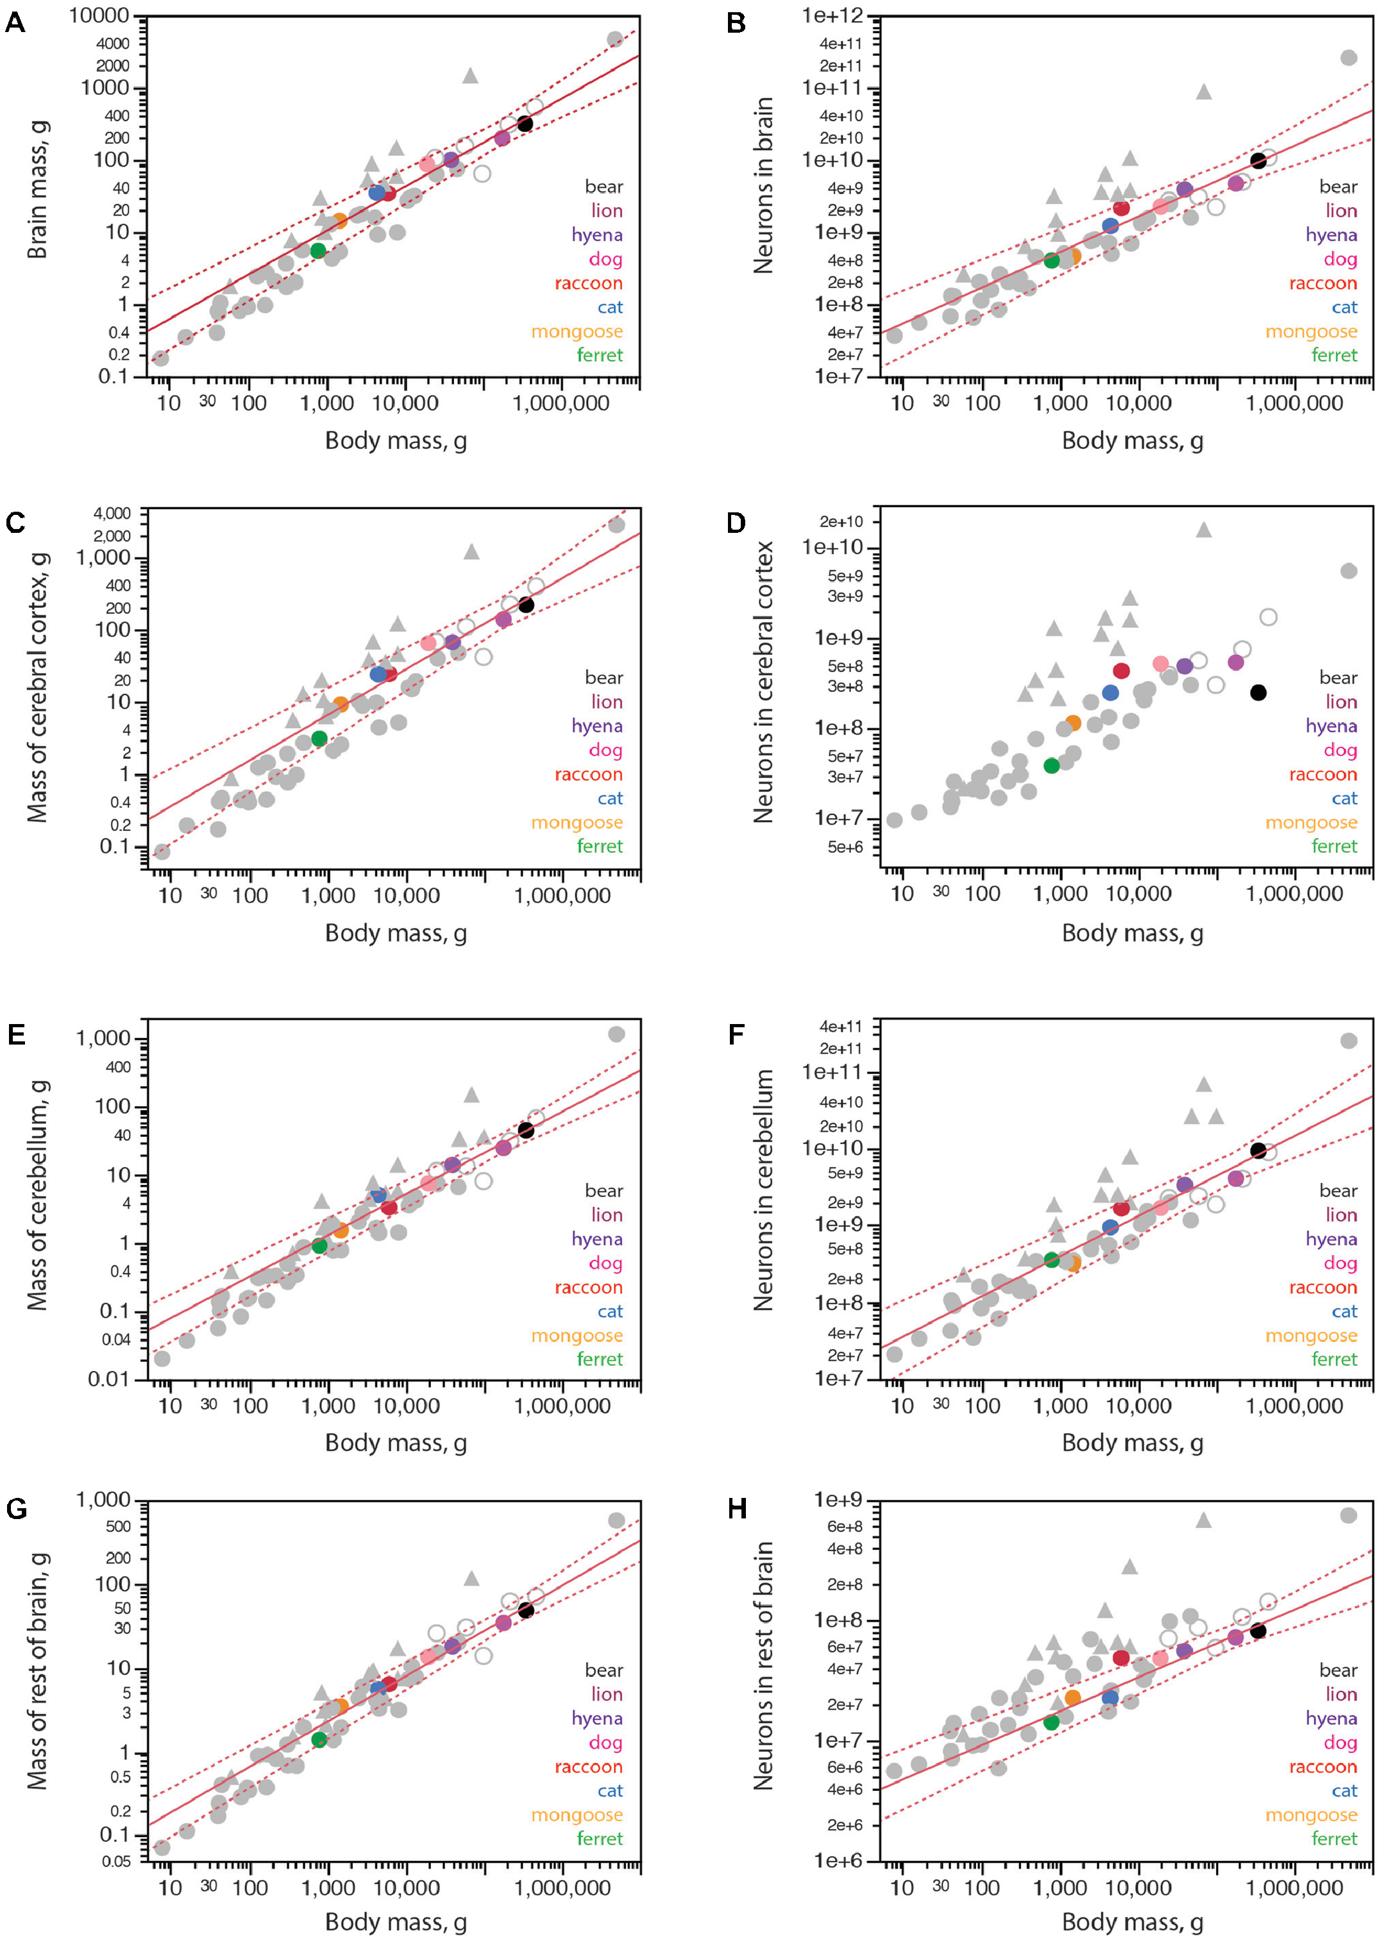
FIGURE 4 | Scaling of mass of brain structures with numbers of neurons in carnivorans. Carnivoran species analyzed in this study are shown in colors according to the key in the graphs; non-carnivoran species are depicted in gray (primates in triangles, artiodactyls as unfilled circles). Plotted functions apply to the species indicated for each graph and include the 95% confidence interval for individual values. (A) With the exception of the brown bear, ferret and raccoon, carnivoran species conform to the power function that describes how the mass of the cerebral cortex scales as a power function of the number of cortical neurons with exponent 1.588 ± 0.042 across non-primate, non-carnivoran species (r2 = 0.978, p < 0.0001, n = 35, plotted). The function calculated for carnivorans (without the bear and raccoon) has an exponent of 1.311 ± 0.136 (r2 = 0.959, p = 0.0006, n = 6). (B) Again, with the exception of the brown bear, ferret and raccoon, the density of neurons in the cerebral cortex of carnivoran species conforms to the power function that describes the scaling of neuronal density with the number of cortical neurons of exponent –0.590 ± 0.040 across non-primate, non-carnivoran species (r2 = 0.865, p < 0.0001, n = 35, plotted). (C) With the exception of the raccoon, carnivoran species conform to the power function that describes how the mass of the cerebellum scales as a power function of the number of cerebellar neurons with exponent 1.283 ± 0.035 across the ensemble of afrotherians (minus the African elephant), artiodactyls and glires (r2 = 0.987, p < 0.0001, n = 20, plotted). (D) With the exception of the raccoon, the density of neurons in the cerebellum of carnivoran species conforms to the power function that describes the scaling of neuronal density with the number of cerebellar neurons of exponent –0.283 ± 0.035 across the ensemble of afrotherians (minus the African elephant), artiodactyls and glires (r2 = 0.784, p < 0.0001, n = 20, plotted). Howeve

Table 7
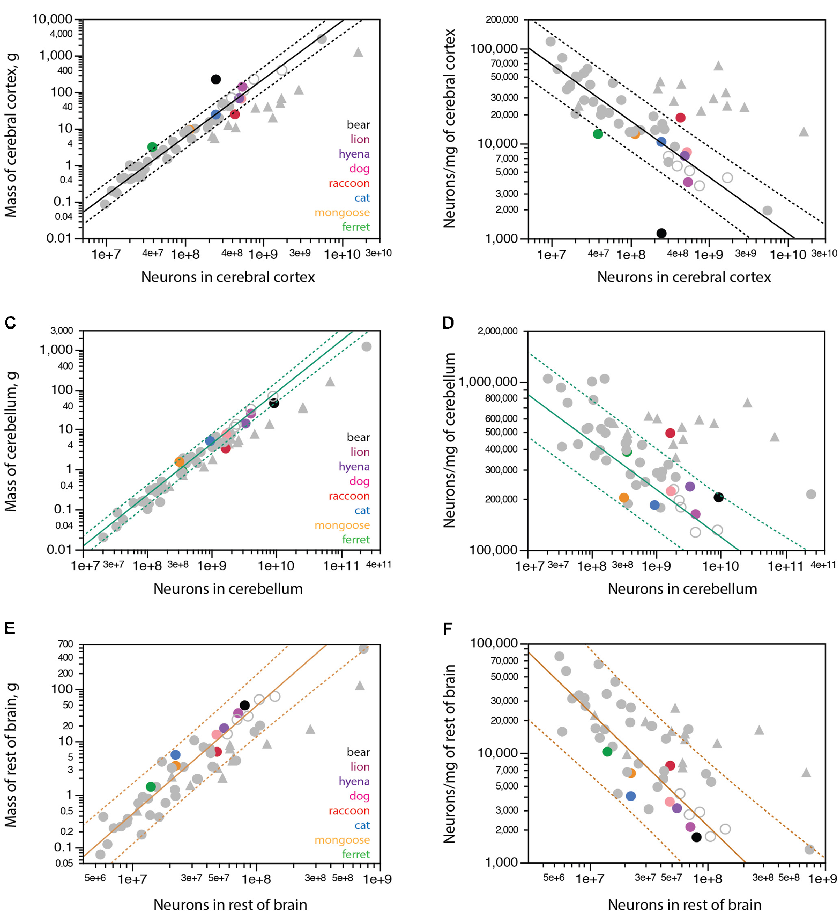
In line with the smaller numbers of cortical neurons than expected for the mass of the cerebral cortex in the largest carnivorans examined, we find that while the banded mongoose, cat, dog and hyena conform to the scaling relationship between | cerebral cortical mass and numbers of cortical neurons that applies to non-primate mammals (Figure 4A, plotted function), the lion has fewer neurons in its cerebral cortex than expected for its cortical mass (although still within the 95% confidence

Table 9
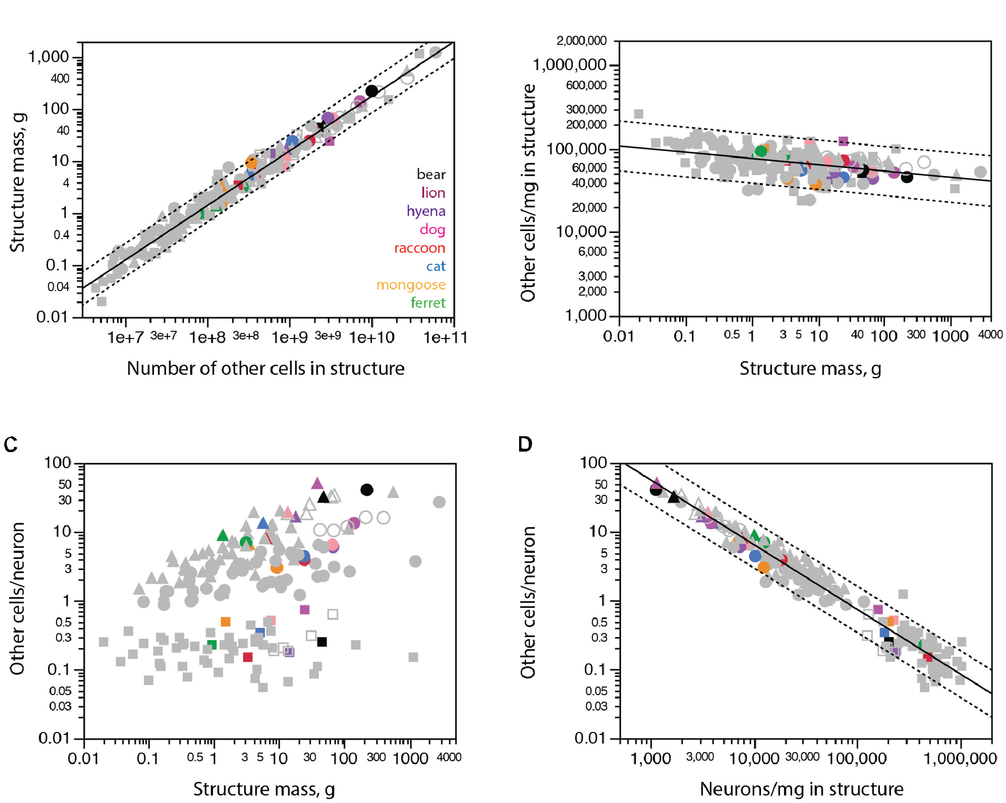 FIGURE 5 | All carnivoran species and brain structures conform to the scaling of brain structure mass with numbers of other cells that applies universally across other mammalian species. Cerebral cortex is shown in circles, cerebellum in squares, rest of brain in triangles. (A) Brain structure mass scales universally as a power function of the number of non-neuronal (other) cells in the structures across non-carnivoran species (plotted function; exponent 1.051 ± 0.014, r2 = 0.974, p < 0.0001), and all carnivorans conform to that relationship. (B) The density of other cells in the different structures of carnivoran brains overlaps with densities in the same structures in other mammalian species, which scales very slowly as a power function of structure mass of exponent −0.075 ± 0.012 (r2 = 0.200, p < 0.0001). (C) The ratio between numbers of other cells (which approximates the number of glial cells) and numbers of neurons in each structure is not a universal function of structure mass across mammalian species and structures. (D) The ratio between numbers of other cells and neurons in each structure does vary universally with average neuronal density in the structure across non-carnivoran species (plotted function, exponent −0.942 ± 0.019, r2 = 0.946, p < 0.0001, n = 146), and all carnivoran species and brain structures conform to that relationship.
to the relationships between brain structure mass and number of neurons in the structure that apply to other carnivoran as well as various non-primate clades (see Figure 4). Both dog individuals examined (a 7.45 kg mixed-breed and a 32 kg golden retriever) had larger brains than the cat (brain mass in dogs, 58.4 and 114.5 g, respectively; cat, 34.8 g), and also more brain neurons than the cat (dogs, 1.8 and 2.6 billion neurons, respectively; cat, 1.2 billion neurons). The same applies to the cerebral cortex of the dogs, at 46.2 g with 429 million neurons and 84.8 g with 623 million neurons, against 24.2 g with 250 million neurons in the cat. Strikingly, although the cerebral cortex of the golden retriever was almost twice as large as the cortex of the smaller dog, it only had 46% more neurons than the smaller dog cortex (as expected from the non-linear scaling of cortical mass with number of cortical neurons, Figure 4); if plotted separately, both individuals conform to the scaling rules that apply to carnivoran species shown in Figure 4, and as expected from their larger cortical mass, both dogs had more neurons in the cerebral cortex than the cat. Thus, the two most common species of domesticated carnivorans do not deviate from the relationship between cortical mass and number of neurons that applies both to | wild carnivorans and other non-primate species of similar body, brain or cerebral cortical mass. Distribution of Cortical Neurons into Cortical Surface Area and Thickness The apparently decreased number of neurons in the cerebral cortex of large carnivorans for their cortical and body mass, notably in the brown bear, could in principle be the result of altered development that led to the generation of smaller numbers of much larger neurons, resulting in the observed lower neuronal densities but expected non-neuronal densities. In that case, we might expect the cortical volume to still be distributed into surface area and thickness following the same scaling relationship that applies to other carnivorans, with larger surface areas accompanied by slowly increasing cortical thickness. Alternatively, if the unexpectedly small number of neurons in the cerebral cortex of large carnivorans is due to regressive phenomena after the cortex develops, such as pronounced neuronal loss after cortical expansion, we should find evidence of atrophy in the cerebral cortex of these species,
FIGURE 6 | Scaling of cortical surface area and thickness with number of neurons in carnivorans. Each carnivoran species is shown in a different color according to the key in the graphs. All other mammals are depicted in gray (light gray filled circles, glires; light gray unfilled circles, artiodactyls; dark gray filled circles, marsupials; dark gray unfilled circles, afrotherians; filled triangles, primates; white triangle, scandentia). For the sake of clarity, scaling relationships for non-carnivoran clades are not plotted. (A) Average cortical thickness scales as a power function of cortical surface area with exponent 0.262 ± 0.021 (r2 = 0.969, p < 0.0001, n = 7, excluding the brown bear; plotted in red; excluding further the raccoon does not change the exponent, which remains 0.262 ± 0.022, p = 0.0003). The brown bear has a much thinner cortex for its surface area compared to other carnivoran species; the raccoon, in contrast, has the predicted combination of cortical surface area and thickness for a carnivoran. (B) Average cortical thickness scales as a power function of the number of cortical neurons with exponent 0.259 ± 0.031 (r2 = 0.945, p = 0.0011, n = 6, excluding the brown bear and raccoon; plotted in red). (C) Cortical surface area scales as a power function of the number of cortical neurons with exponent 0.978 ± 0.115, undistinguishable from linearity (r2 = 0.948, p = 0.0010, n = 6, excluding the brown bear and raccoon, plotted in red). All values refer to a single cortical hemisphere.

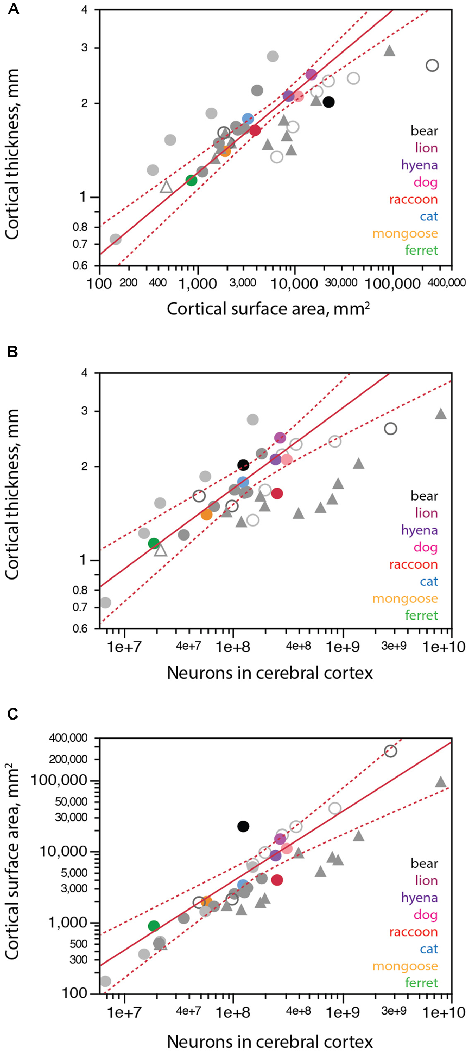 with cortical thinning for their surface area, and possibly also a thicker cortex for their numbers of cortical neurons (in case the maximal attained thickness is not entirely lost), compared to the allometric scaling that applies to other carnivoran species (but still the same expected non-neuronal densities). We thus determined how the cortical volume was distributed into surface area and thickness across carnivoran species, and how that distribution related to numbers of cortical neurons. We find that carnivoran cerebral cortices with larger surface areas are also thicker, although cortical thickness increases more slowly than surface area, as a power function of surface area with exponent 0.262 ± 0.021 across carnivoran species (excluding the brown bear; Figure 6A). While the raccoon and lion have combinations of cortical surface area and thickness that match the prediction for carnivoran species, the brown bear is a clear outlier, with a cortical thickness that is too small for its surface area, suggestive of cortical atrophy (thinning). The distribution of cortical neurons into surface area and thickness also suggest that a regressive phenomenon is in place. Both the brown bear and lion cortices are thicker than expected for the number of neurons in the cerebral cortex (Figure 6B, black), consistent with cortices that had more neurons in early development, attained adult-like morphology, but then lost significant numbers of neurons (and along with them, lost part of the width of the parenchyma, but not all of it). Similarly, the surface area of the brown bear cerebral cortex is almost one order of magnitude larger than expected for its number of neurons (Figure 6C, black). This pattern is consistent with a reduction in number of neurons in the cerebral cortex that occurred after cortical expansion in development, when the brain attained its adult density of non-neuronal cells,

in the cerebellum and in the cerebral cortex of 36.9 (Figure 7A, black). Remarkably, the lion and hyena also have fewer neurons in the cerebral cortex than expected for their number of neurons in the cerebellum, with 7.4 and 6.7 neurons in the cerebellum for every neuron in the cerebral cortex, in contrast to ratios of 3.8 in the cat and raccoon, 3.2 in the dog and 2.7 in the banded mongoose (Table 1). Whereas the cerebral cortex and cerebellum gain neurons proportionately across the vast majority of mammalian species, a similar concerted scaling on numbers of neurons in the cerebral cortex and rest of brain, with a constant ratio across structures, is true only across glires, eulipotyphlans, small afrotherians, and South American marsupials (Herculano-Houzel, 2016). Across these species, a ratio of 2:1 is maintained between neurons in the cerebral cortex:rest of brain, in what we have proposed to be the ancestral allocation of neurons across these structures (Herculano-Houzel et al., 2014b; Herculano-Houzel, 2016; Dos Santos et al., 2017). Artiodactyls, primates and Australasian marsupials deviate from this relationship, with larger ratios between numbers of neurons in the cerebral cortex and in the rest of brain that may also increase with brain size. We find that among carnivorans, only the ferret and the brown bear align themselves with the first group (Figure 7B), with small ratios of 2.7 and 3.1 between numbers of neurons in the cerebral cortex and the rest of brain, respectively, while all other carnivoran species analyzed align with the second group that includes primates and artiodactyls, with larger ratios of 5.1 (mongoose) to 9-11 (raccoon, dog and cat). In line with the approximately 4:1 ratio between numbers of neurons in the cerebellum and in the cerebral cortex across most species but not the elephant and brown bear, we find that the

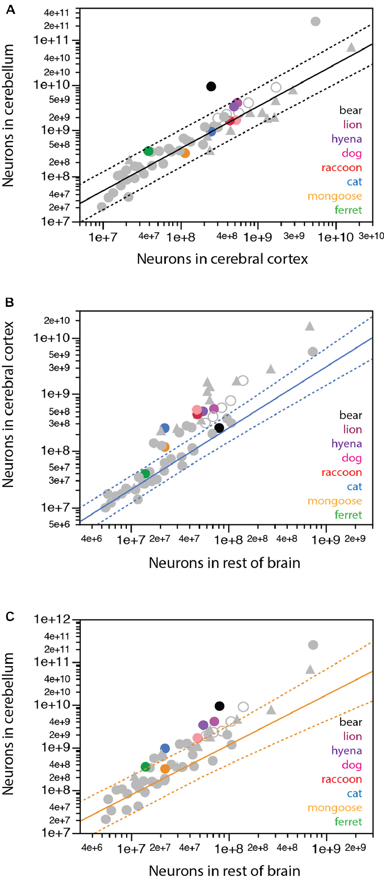 FIGURE 7 | Scaling of numbers of neurons across brain structures in carnivorans. (A) Except for the brown bear, carnivorans conform to the relationship between numbers of neurons in the cerebellum and in the cerebral cortex that apply to all mammalian species examined so far, including primates, but excluding the African elephant (exponent, 0.928 ± 0.039, undistinguishable from unity; r2 = 0.929, p < 0.0001, plotted). (B) Only the ferret and brown bear conform to the scaling relationship that describes how the number of neurons in the cerebral cortex varies as a power function of the number of neurons in the rest of brain across glires, eulipotyphlans, and small Afrotherians, with exponent 1.085 ± 0.064, undistinguishable from linearity (excluding the African elephant; r2 = 0.940, p < 0.0001, n = 20, plotted). All other carnivoran species, like primates, artiodactyls and Australasian marsupials, have more neurons in the cerebral cortex than predicted for the number of neurons in the rest of brain for glires, eulipotyphlans and small Afrotherians. (C) Only the banded mongoose among carnivoran species conforms to the scaling relationship that describes how the number of neurons in the cerebellum varies as a power function of the number of neurons in the rest of brain across glires, eulipotyphlans, and small Afrotherians, with exponent 1.170 ± 0.119, undistinguishable from linearity (excluding the African elephant; r2 = 0.842, p < 0.0001, n = 20, plotted).

DISCUSSION Here we find that all carnivoran species examined match the relationship between brain structure mass and number of non- neuronal cells that has been found to apply to all mammalian species examined so far (Dos Santos et al., 2017; Herculano- Houzel, 2017). This relationship is a consequence of the lack of systematic variation in the density of non-neuronal cells across brain structures and species. Accordingly, none of the eight carnivoran species analyzed deviated significantly from the non- neuronal cell densities found previously in other mammalian species. These findings are consistent with our proposition that the mechanisms that regulate addition of non-neuronal cells to brain tissue have been remarkably conserved in evolution,

